01
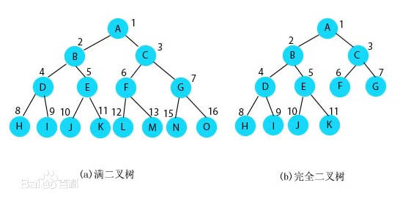
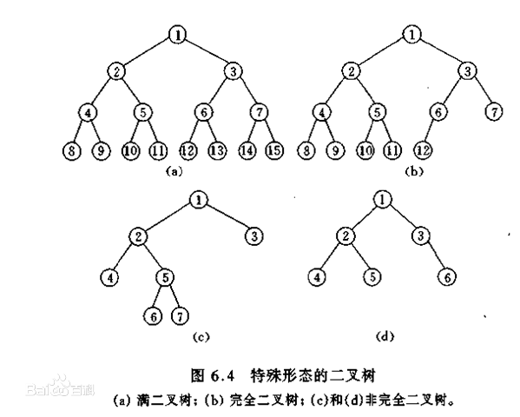
二叉树： | 根节点

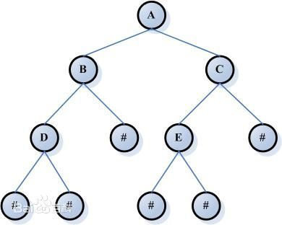
 | 父节点

 | 子节点

 | 左子树

 | 右子树

02
二叉树的高度：

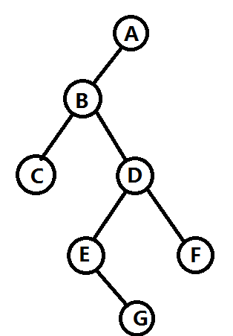

高度：5

03
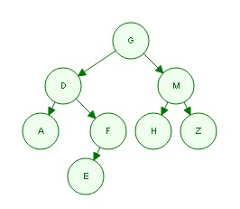

 | 根 |  |  | G
左子树 | 右子树 |  |  | / \
 |  |  |  | D M
 |  |  |  | / \ / \
 |  |  |  | A F H Z
 |  |  |  | /
 |  |  |  | E

 | 根节点查找顺序命名
 | 先序遍历：(根 左 右) | G D A F E M H Z
 |  |  | …
 | 中序遍历：(左 根 右) | A D E F G H M Z | …

 | 后序遍历：(左 右 根) | A E F D H Z M G | // 先查找 左子树，若左子树仍有左子树 递归，直到没有左子树，在右子树…… 更节点

